1. Title Page
[Project Name]

Project Name: Insta Cart Analysis
Date: June 2023
Analyst Name: Matthew Sowole

Contents:
Population Flow
Consistency checks
Wrangling steps
Column derivations
Visualizations
Recommendations

2. Population Flow
Title page

Population flow

Exclusion flag
Condition: max_order <
Obervations to be removed:
Final total count of order_products_all:

Orders_products_combined
Orders_products_merged
Orders_products_all

Total: 30,328,763
Total: 30,356,421
Total: 2,447,156

1.) The grey boxes in the first row of the population flow represent the original data sets as they were when you downloaded them. In the Total fields you need to add the count of the rows when you imported the data set into Jupyter.
2.) The second row of boxes (coloured) represents the data sets after you manipulated them, e.g., removed missing values and duplicates. In the Total fields you need to add the count of the rows after conducting these operations. This offers a visual oveview of how the data flows throughout the data consistency checks.
3.) The third row, where also the arrows are coloured, represents the merges you performed between the datasets. In the Total fields you need to add the count of the rows in the merged datasets, so that you end up with the final dataset (in the red box). Keep in mind the final dataset should be without exclusions (based on the exclusion flag).

3. Consistency checks
 |  |  |  | Title page
Consistency checks

Dataset | Missing values | Missing values treatment | Duplicates
orders | 206,209 | removed missing values | none
products | 16 | assign the mean value | 5
orders_products_prior | 0 | n/a | none
customers | 11259 | removed missing values | none

4. Wrangling steps
 |  |  |  | Title page
Wrangling steps

Columns dropped | Columns renamed | Columns' type changed | Comment/Reason
eval_set |  |  | Not required
 | order_dow |  | renamed to "orders_day_of_week" to be more meaningful
 |  | order_id | changes the data type to a string

5. Column derivations
 |  |  |  | Title page

Column derivations and aggregations

In this tab you should add tables below that the frequences of flags/label variables that you produced after deriving them. NB: don't do this for continuous variables, only for flags.
Dataset | New column | Column/s it was derived from | Conditions
orders_products_merged | price_range | Prices | If price below 5 = low range product. If between 6-15 then mid-range product else high range product
orders_products_merged | busiest_days | order_day_of_week | if orders day of weeek is 1 or 2 then busiest days, if 4 or 3 then least busy days, else regularly busy
orders_products_merged | busiest_period_of_day | hour_of_day | if hour of day were in a certain range then they'll be either most orders, fewest orders or average orders
orders_products_mergedv2 | max_order | user_id / order_number | grouping two columns together
orders_products_mergedv2 | loyalty_flag | max_order | order less than 10 is a new customer, between 11 - 40 regular customer and 40+ is a loyal customer
orders_products_mergedv2 | mean_price | user_id / prices | grouping two columns together
orders_products_mergedv2 | spending_flag | mean_price | price over 10 = high spender, below 10 = low spender
orders_products_mergedv2 | days_of_median | user id / days since prior order | grouping two columns together
orders_products_mergedv2 | frequency_flag | days_of_median | if less then 10 = frequent customer, if between 10 - 19 then regular customer and if >20 then non-frequent customer
orders_products_all | region | State | Splitting out the dataset by region

6. Visualizations
 |  | Title page

Visualisations

In this tab you should include all the visualtions from Exercises 4.9 and 4.10, alongside the questions from the project brief that they answer. Include any commentary on the relationship between different variables.

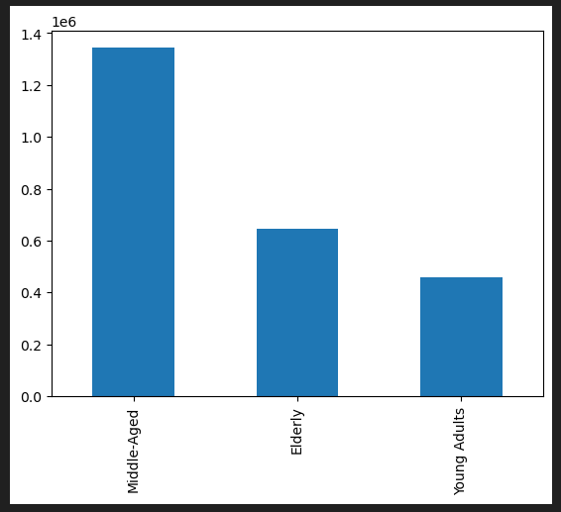
Middle-aged is the age-group where most of the instacarts business

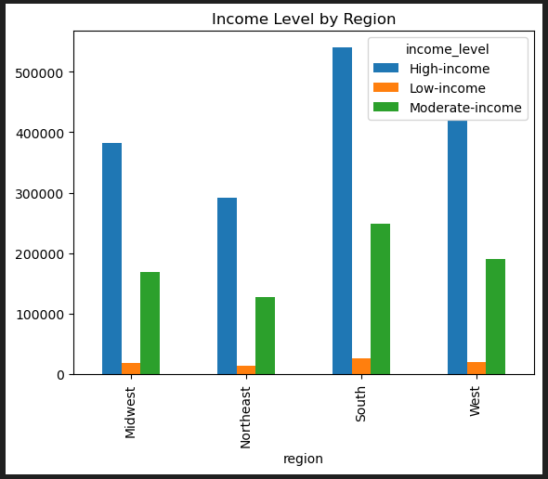
South region contains customers with the highest income level, whilst north-west has a lower income

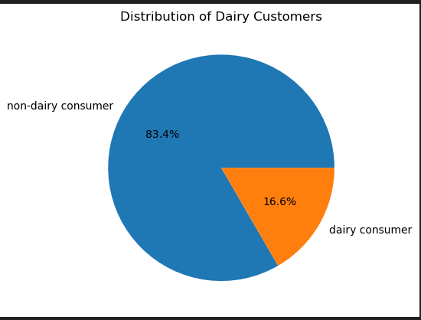
there are more non-dairy customers 83.4% versus dairy customers 16.6%

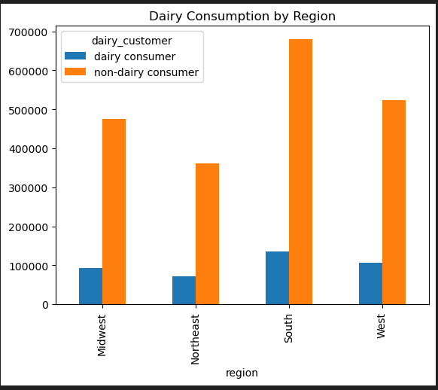
South west contains the most dairy customers, whilst north-west contains the lowest

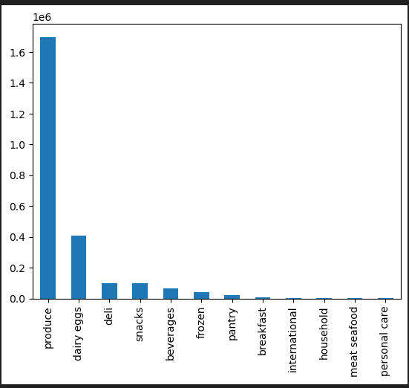
Produce, dairy and deli are the top 3 goods & departments purchased by customers

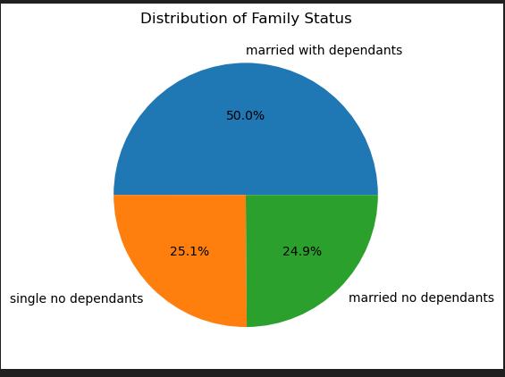
It is clear to see to that half the number of customers are married couples with dependents at 50%

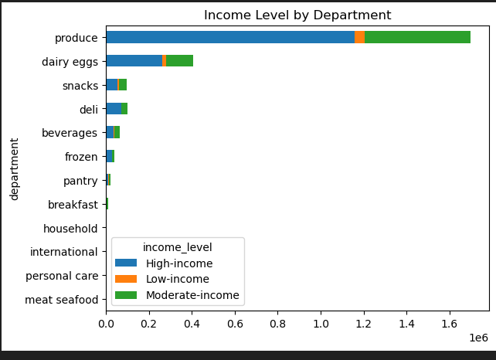

 | High income earners spend most their money on product, dairy eggs and snacks

7. Recommendations
 |  | Title page

Recommendations

In this tab you should include any recommendations you would made to Instcart in terms of their marketing strategy based on the questions posed in the brief. Every key question has been covered in the Tasks of the Exercises - here you need to add an item - a visualisation or table/crosstable that is showing the answer in the data, acompanied by a comment from you. Please, list the questions below and add the answer underneath.

Recommendations
1. Start targeting the markets in the North, Midwest and West as they have the lowest number of orders and loyalty to the business
2. 50% of the customer base is married with dependents - it would be good to have affordable products be targetted to them to increase revenue

Question | Answer
What’s the distribution among users in regards to their brand loyalty (i.e., how often do they return to Instacart)? | Distribution is pretty even across the three loyalty flags, but loyal customers tend to spend a little less out of the three

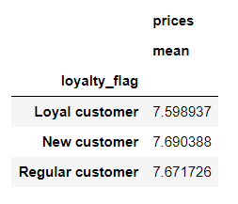

Are there differences in ordering habits based on a customer’s loyalty status? | Loyal customers ordered way more than new & regular customers

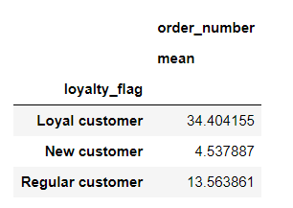

Are there differences in ordering habits based on a customer’s region? | Highest spenders are in the South, whilst lowest are in the Northeast
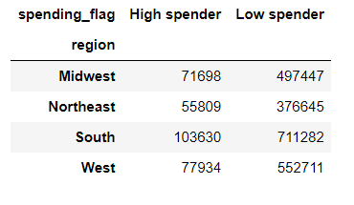

What different classifications does the demographic information suggest? Age? Income? Certain types of goods? Family status? | Majority of customers spend their money on produce & dairy eggs

